Sheet1
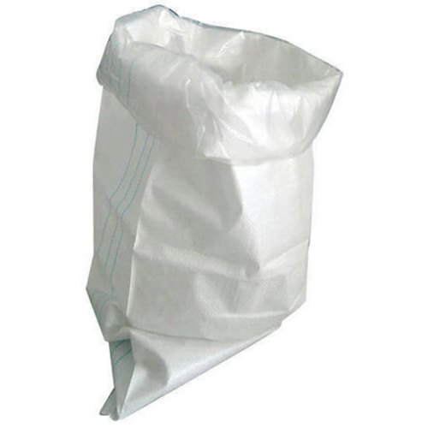
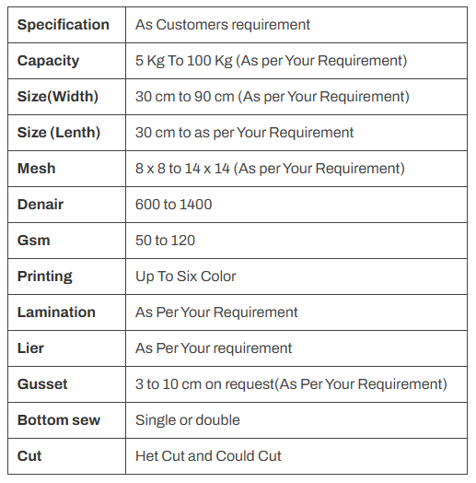
Liner bags are the perfect fit for products that require high protection from air, sunlight, and water.
It can be used to transport snacks which are usually stored in airtight containers to keep them away from air and moisture.
The use of liner bags will make sure that the product is well protected.

